Model Description
Technicolor COM3000 Models |  | Description
COM400 |  | 3 RU Chassis with 6 slots for Receiver cards & 2 for QAM20
COM421 |  | 1 RU Chassis with 2 slots for Receiver cards & 1 for QAM20
QAM4 |  | 4 carrier Edge QAM upgradable to a total of 48 carriers
SWQAM2 | Software Key | Software key to activate 2 QAM carriers on QAM20, Max 16 keys per device
COM51 | 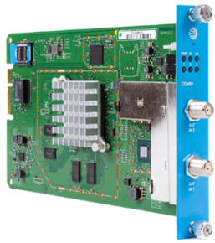 | 8 channel HD Pro:Idiom receiver card for reception of DIRECTV HD Programs. Upgradeable to 23 channels using SWCOM51 tuner licenses
SWCOM51 | Software Key | Software key to activate 1 tuner on a COM51, Max 15 per device

